Case 5-1 Original
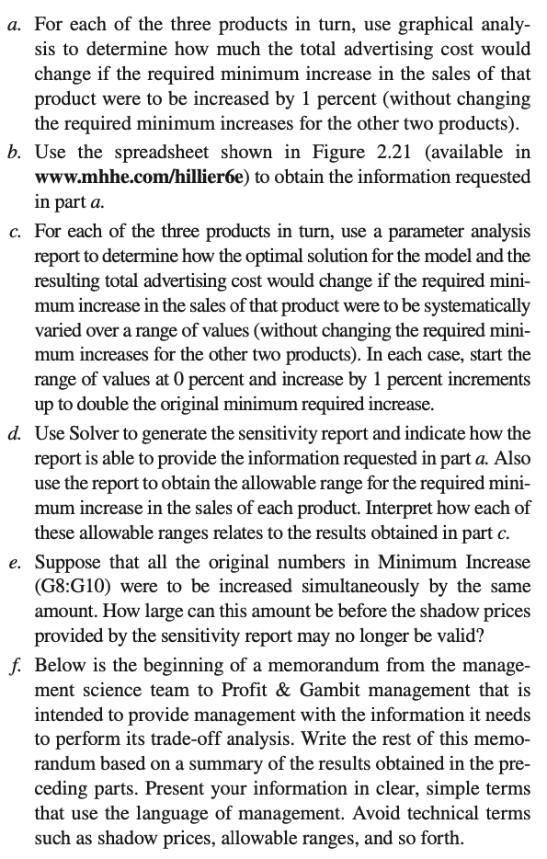
Profit & Gambit Co. Advertising-Mix Problem |  |  |  | `
 |  |  |  |  |  |  | Skip a
 |  | Television | Print Media
 | Unit Cost ($millions) | 1 | 2

 |  |  |  | Increased |  | Minimum
 |  | Increase in Sales per Unit of Advertising |  | Sales |  | Increase
 | Stain Remover | 0% | 1% | 3% | >= | 3%
 | Liquid Detergent | 3% | 2% | 18% | >= | 18%
 | Powder Detergent | -1% | 4% | 8% | >= | 4%

 |  |  |  |  |  | Total Cost
 |  | Television | Print Media |  |  | ($millions)
 | Advertising Units | 4 | 3 |  |  | 10

Case 5-1c R
Minimum Increase (Stain Remover) | Television | Print Media | Total Cost | Incremental Cost
0% | 4.571 | 2.143 | 8.857
1% | 4.571 | 2.143 | 8.857 | 0.000
2% | 4.571 | 2.143 | 8.857 | 0.000
3% | 4.000 | 3.000 | 10.000 | 1.143
4% | 3.333 | 4.000 | 11.333 | 1.333
5% | 2.667 | 5.000 | 12.667 | 1.333
6% | 2.000 | 6.000 | 14.000 | 1.333
Try solving this Problem in R

Minimum Increase (Liquid Detergent) | Television | Print Media | Total Cost | Incremental Cost
0% | 0.000 | 3.000 | 6.000
1% | 0.000 | 3.000 | 6.000 | 0.000
2% | 0.000 | 3.000 | 6.000 | 0.000
3% | 0.000 | 3.000 | 6.000 | 0.000
4% | 0.000 | 3.000 | 6.000 | 0.000
5% | 0.000 | 3.000 | 6.000 | 0.000
6% | 0.000 | 3.000 | 6.000 | 0.000
7% | 0.333 | 3.000 | 6.333 | 0.333
8% | 0.667 | 3.000 | 6.667 | 0.333
9% | 1.000 | 3.000 | 7.000 | 0.333
10% | 1.333 | 3.000 | 7.333 | 0.333
11% | 1.667 | 3.000 | 7.667 | 0.333
12% | 2.000 | 3.000 | 8.000 | 0.333
13% | 2.333 | 3.000 | 8.333 | 0.333
14% | 2.667 | 3.000 | 8.667 | 0.333
15% | 3.000 | 3.000 | 9.000 | 0.333
16% | 3.333 | 3.000 | 9.333 | 0.333
17% | 3.667 | 3.000 | 9.667 | 0.333
18% | 4.000 | 3.000 | 10.000 | 0.333
19% | 4.333 | 3.000 | 10.333 | 0.333
20% | 4.667 | 3.000 | 10.667 | 0.333
21% | 5.000 | 3.000 | 11.000 | 0.333
22% | 5.333 | 3.000 | 11.333 | 0.333
23% | 5.667 | 3.000 | 11.667 | 0.333
24% | 6.000 | 3.000 | 12.000 | 0.333
25% | 6.333 | 3.000 | 12.333 | 0.333
26% | 6.667 | 3.000 | 12.667 | 0.333
27% | 7.000 | 3.000 | 13.000 | 0.333
28% | 7.333 | 3.000 | 13.333 | 0.333
29% | 7.667 | 3.000 | 13.667 | 0.333
30% | 8.000 | 3.000 | 14.000 | 0.333
31% | 8.286 | 3.071 | 14.429 | 0.429
32% | 8.571 | 3.143 | 14.857 | 0.429
33% | 8.857 | 3.214 | 15.286 | 0.429
34% | 9.143 | 3.286 | 15.714 | 0.429
35% | 9.429 | 3.357 | 16.143 | 0.429
36% | 9.714 | 3.429 | 16.571 | 0.429

Minimum Increase (Powder Detergent) | Television | Print Media | Total Cost | Incremental Cost
0% | 4 | 3 | 10
1% | 4 | 3 | 10 | 0
2% | 4 | 3 | 10 | 0
3% | 4 | 3 | 10 | 0
4% | 4 | 3 | 10 | 0
5% | 4 | 3 | 10 | 0
6% | 4 | 3 | 10 | 0
7% | 4 | 3 | 10 | 0
8% | 4 | 3 | 10 | 0

Case 5-1 d sens
Variable Cells
 |  |  | Final | Reduced | Objective | Allowable | Allowable
 | Cell | Name | Value | Cost | Coefficient | Increase | Decrease | Range from | Range to
 | $C$14 | Advertising Units Television | 4 | 0 | 1 | 2 | 1 | 0.0000 | 3.0000
 | $D$14 | Advertising Units Print Media | 3 | 0 | 2 | 1E+30 | 1.333 | 0.66666666667 | 1E+30

Constraints
 |  |  | Final | Shadow | Constraint | Allowable | Allowable
 | Cell | Name | Value | Price | R.H. Side | Increase | Decrease | Range from | Range to
 | $E$8 | Stain Remover Sales | 3% | 133.33 | 0.03 | 0.06 | 0.0086 | 0.0214 | 0.0900
 | $E$9 | Liquid Detergent Sales | 18% | 33.33 | 0.18 | 0.12 | 0.12 | 0.06 | 0.3
 | $E$10 | Powder Detergent Sales | 8% | 0 | 0.04 | 0.04 | 1E+30 | -1E+30 | 0.08
d.
The shadow price indicates the increase in total cost (in $millions) per unit increase in the right hand side (i.e., per 100% increase). Thus, a 1% increase in the minimum required increase in sales will only increase the total cost by one hundredth of the shadow price, or $1.33 million for the Stain Remover, $0.33 million for the Liquid Detergent, and $0 million for the Powder Detergent. The allowable range for the required minimum increase in sales constraint for Stain Remover is 2.14% to 9%. The allowable range for the required minimum increase in sales constraint for Liquid Detergent is 6% to 30%. The allowable range for the required minimum increase in sales constraint for Powder Detergent is -∞% to 8%.
These allowable ranges can also be seen in the results from part (c). For Stain Remover, the incremental cost remains $1.33 million for each 1% change above 3%. Similarly, for Liquid Detergent, the incremental cost remains $0.33 million for each 1% change above between 6% and 30%. For Powder Detergent, the incremental cost remains $0 million for each 1% change throughout the parameter analysis report.

Case 5-1e Simultaneous
Variable Cells
 |  |  | Final | Reduced | Objective | Allowable | Allowable
 | Cell | Name | Value | Cost | Coefficient | Increase | Decrease
 | $C$14 | Ad Units Television | 4 | 0 | 1 | 2 | 1
 | $D$14 | Ad Units Print Media | 3 | 0 | 2 | 1E+30 | 1.3333333333

Constraints
 |  |  | Final | Shadow | Constraint | Allowable | Allowable | Increase RHS | % Change | 100% Rule
 | Cell | Name | Value | Price | R.H. Side | Increase | Decrease | 1% | RHS | Formula
 | $E$8 | Stain Remover Sales | 0.03 | 133.33333333 | 0.03 | 0.06 | 0.0085714285714 | 4.0% | 16.67% | =(J10-F10)/G10
 | $E$9 | Liquid Detergent Sales | 0.18 | 33.333333333 | 0.18 | 0.12 | 0.12 | 19.0% | 8.33% | =(J11-F11)/G11
 | $E$10 | Powder Detergent Sales | 0.08 | 0 | 0.04 | 0.04 | 1E+30 | 5.0% | 25.00% | =(J12-F12)/G12
 |  |  |  |  |  |  |  | Sum | 50.00% | =SUM(K10:K12)
e) Suppose that each of the original numbers in Minimum Increase (G8:G10) is increased by 1%. Percent of allowable increase for Stain Remover used = (4% – 3%) / 6% = 16.7%. Percent of allowable increaes for Liquid Detergent used = (19% – 18%) / 12% = 8.3%. Percent of allowable increase for Powder Detergent used = (5% – 4%) / 4% = 25%. Sum = 50%. Thus, if each of the original numbers in MinimumIncrease (G8:G10) is increased by 2%, the sum will be 100%. By the 100% rule, this is the most they can be increased before the shadow prices may no longer be valid.

